Sheet1
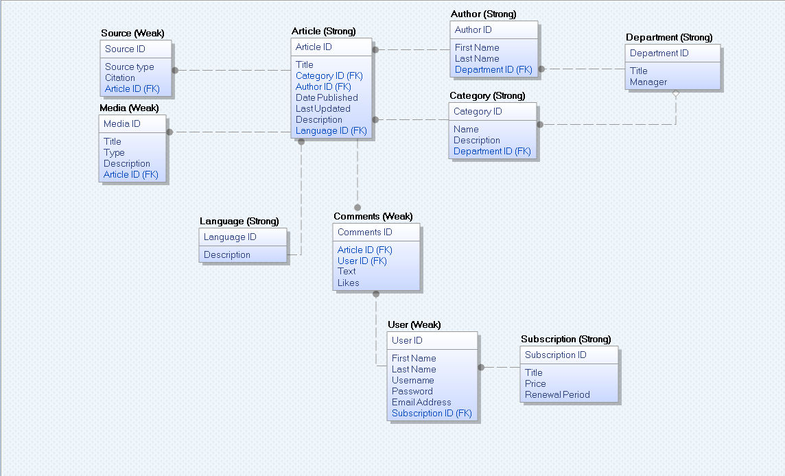
Newspaper Database Dictionary

Article |  |  |  |  | Department
Name | Data Type | Max Length | Constraint | Description | Name | Data Type | Field Length | Constraint | Description
Article ID | INT | 6 | PK, NOT NULL, AUTO_INCREMENTING | Primary key for the article entity | Department ID | INT | 6 | PK, NOT NULL, AUTO_INCREMENTING | Primary key of Department Entity
Language ID | INT | 6 | FK, NOT NULL | Language ID from Language entity | Title | VARCHAR | 50 | NOT NULL | Name of the department
Category ID | VARCHAR | 50 | FK, NOT NULL | Category of the article from Category entity | Manager | VARCHAR | 50 | NOT NULL | Manager name of the department
Author ID | INT | 6 | FK, NOT NULL | Author ID from Author entity
Article Type | VARCHAR | 50 | NOT NULL | Type of article (format)
Title | VARCHAR | 100 | NOT NULL | Title of the article
Date Published | DATE |  | NOT NULL | Date the article was published
Last Updated | DATETIME |  | NOT NULL | For any updates that might occur on the article
Description | LONGTEXT |  | NULLABLE | Description of the article

Author |  |  |  |  | Source
Name | Data Type | Field Length | Constraint | Description | Name | Data Type | Field Length | Constraint | Description
Author ID | INT | 6 | PK, NOT NULL | Primary Key for the author entity | Source ID | INT | 6 | PK, NOT NULL, AUTO_INCREMENT | Primary key for the source entity
Department ID | INT | 6 | FK, NOT NULL | Department ID from Department entity | Article ID | INT | 6 | FK,NOT NULL | Article ID from article entity
First Name | VARCHAR | 50 | NOT NULL | First name of author | Source Type | VARCHAR | 50 | NOT NULL | Type of source used
Last Name | VARCHAR | 50 | NOT NULL | Last name of author | Citation | LONGTEXT |  | NOT NULL | Citation for the source used. Can be different in format.

User |  |  |  |  | Language
Name | Data Type | Field Length | Constraint | Description | Name | Data Type | Field Length | Constraint | Description
User ID | INT | 10 | PK, NOT NULL, AUTO_INCREMENTING | Primary key for user entity | Language ID | INT | 6 | PK, NOT NULL, AUTO_INCREMENTING | Primary key for the Language entity
Subscription ID | INT | 6 | FK NOT NULL | Subscription ID from Subscription entity | Description | VARCHAR | 50 | NOT NULL | Language name
First Name | VARCHAR | 50 | NOT NULL | First name of user
Last Name | VARCHAR | 50 | NOT NULL | Last name of user
Username | VARCHAR | 100 | NOT NULL | Username of the user
Password | VARCHAR | 100 | NOT NULL | Password of user
Email Address | VARCHAR | 100 | NOT NULL | Email address of the user

Media |  |  |  |  | Subscription
Name | Data Type | Field Length | Constraint | Description | Name | Data Type | Field Length | Constraint | Description
Media ID | INT | 6 | PK, NOT NULL, AUTO_INCREMENTING | Primary key for media entity | Subscription ID | INT | 6 | PK, NOT NULL, AUTO_INCREMENTING | Primary key for the subscription entity
Article ID | INT | 6 | FK, NOT NULL | Article ID from article entity | Title | VARCHAR | 50 | NOT NULL | Name for the subscription
Title | VARCHAR | 100 | NOT NULL | Title of the media | Price | Decimal | (5,2) | NOT NULL | Price for the subscription
Type | VARCHAR | 50 | NOT NULL | What type of media it is | Subscription Date | DATE |  | NOT NULL | Date when subscription was first bought.
Description | LONGTEXT |  | NULLABLE | Description of the media | Renewal Date | DATE |  | NOT NULL | Date when subscription renewal will be necessary

Comments |  |  |  |  | Category
Name | Data Type | Field Length | Constraint | Description | Name | Data Type | Field Length | Constraint | Description
Comment ID | INT | 10 | PK, NOT NULL, AUTO_INCREMENTING | Primary key from entity Comments | Category ID | INT | 6 | PK,NOT NULL, AUTO_INCREMENTING | Primary key for the category entity
Article ID | INT | 6 | FK, NOT NULL | Article ID from article entity | Department ID | INT | 6 | FK, NOT NULL | Department ID from the Department Entity. Used to know what department works in this category.
User ID | INT | 10 | FK, NOT NULL | User ID from User entity | Name | VARCHAR | 50 | NOT NULL | Name of the category to be displayed
Text | LONGTEXT |  | NOT NULL | Comments from the user. Maximum 250 words | Description | LONGTEXT |  | NULLABLE | Description of the category
Likes | INT | 5 | NOT NULL | Number of likes on a post

